J2SE
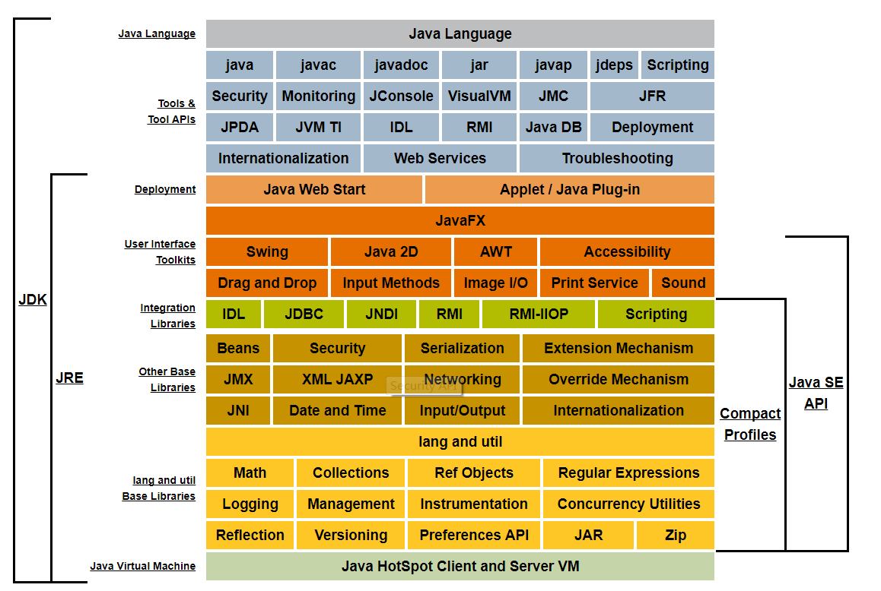

Java Language |  | 1.4 | Assertion Facility
 |  | 1.5 | Generics
 |  |  | Enhanced for Loop
 |  |  | Autoboxing/Unboxing
 |  |  | Typesafe Enums
 |  |  | Varargs
 |  |  | Static Import
 |  |  | Annotations
 |  | 1.6
 |  | 1.7 | Binary Literals
 |  |  | Underscores in Numeric Literals
 |  |  | Strings in switch Statements
 |  |  | Type Inference for Generic Instance Creation
 |  |  | Improved Compiler Warnings and Errors When Using Non-Reifiable Formal Parameters with Varargs Methods
 |  |  | The try-with-resources Statement
 |  |  | Catching Multiple Exception Types and Rethrowing Exceptions with Improved Type Checking
 |  | 1.8 | Lambda Expressions | Method References
 |  |  |  | Default Methods
 |  |  |  | New and Enhanced APIs That Take Advantage of Lambda Expressions and Streams in Java SE 8
 |  |  | Improved Type Inference
 |  |  | Annotations on Java Types
 |  |  | Repeating Annotations
 |  |  | Method Parameter Reflection
Tools & Tool APIs | java
 | javac
 | javadoc
 | jar
 | javap
 | JPDA
 | JConsole
 | Java VisualVM
 | Java DB
 | Security
 | Int'l
 | RMI
 | IDL
 | Deploy
 | Monitoring
 | Troubleshoot
 | Scripting
 | JVM TI
 | Web Services
Deployment | Java Web Start
 | Applet / Java Plug-in
User Interface Toolkits | JavaFX
 | AWT
 | Swing
 | Java 2D
 | Accessibility
 | Drag and Drop
 | Input Methods
 | Image I/O
 | Print Service
 | Sound
Integration Libraries | IDL
 | JDBC
 | JNDI
 | RMI
 | RMI-IIOP
 | Scripting
Other Base Libraries | Beans
 | Int'l Support
 | Input/Output
 | JMX
 | JNI
 | Math
 | Networking
 | Override Mechanism
 | Security
 | Serialization
 | Extension Mechanism
 | XML JAXP
lang and util Base Libraries | lang and util
 | Collections | Collection interfaces
 |  | General-purpose implementations
 |  | Legacy implementations
 |  | Special-purpose implementations
 |  | Concurrent implementations
 |  | Wrapper implementations
 |  | Convenience implementations
 |  | Abstract implementations
 |  | Algorithms
 |  | Infrastructure
 |  | Array Utilities
 | Concurrency Utilities
 | JAR
 | Logging
 | Management
 | Preferences API
 | Ref Objects
 | Reflection
 | Regular Expressions
 | Versioning
 | Zip
 | Instrumentation
Java Virtual Machine | Java Hotspot Client and Server VM

